Dashboard
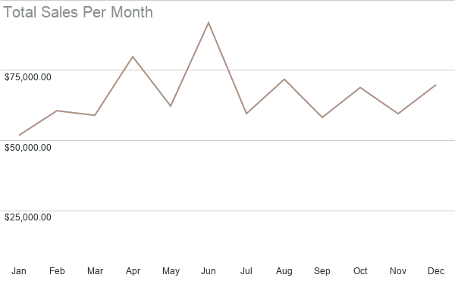
Dashboard
Product Type and Units Sold
Brand and Units Sold
Total Sales By Sales Channel

Total Sales Per Country
Sales Per Product Type By Brand

